Table 3
3. Fuel valve nozzle
Nozzle Type |  |  | 50LS1010A
Needle valve opening pressure |  |  | 31.4 MPa
4. Fuel oil pump setting
Number of cylinder |  | 1 | 2 | 3 | 4 | 5 | 6 | 7 | 8 | 9
Plunger dia. (mml |  | 46
Cam lift (mm) |  | 58
Beginning before TDC in degrees | Ahead | 3.5 | 3.0 | 3.5 | 3.5 | 3.5 | 4.0
 | Astern | 4.4 | 3.9 | 4.4 | 4.J | 4.3 | 4.0
5.Number of cylinder and bearings.
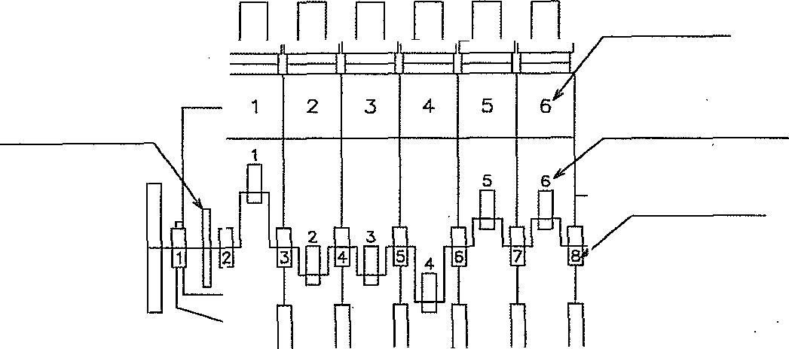
Cylinder N0.
Thrust bearing
C ronk pin bearing
Main beoring
C50LSI-060 03

6. Properties of fuel oil and lubricating oil used for official shop trial

Table 8
KIND OF LOAD 6 |  |  | 50 | 70 | 85 |  | 85 | 100 | 100 | 1J0 |  | CYL CU1 | T/C CUT
INLET COMM |  |  | 44 | 44 |  | 44 | 44 | 44 | 44 | 44 |  | 44 |  | 32 35
PISTON COOLING OIL CYL\NDER OUTLET TEMPERATURE (°C) NORMAL USE INLET 40 -50 OUTLET 45-65°C |  | 1 | 50 | A1 |  | 52 | 52 | 53 | 53 |  | 54 | 50 50
 |  | 2 3 | 5\ | 52 | 52 |  | 52 | 54 | 54 |  | 54 |  |  | 36
 |  |  | 5J | 52 | 52 52 |  | 53 | 54 | 54 |  | 54 | 50 | 36
 |  | 4 5 | 51 | 52 |  |  | 52 53 | 54 | 54 | 54 |  | 50 | 36
 |  |  | 51 | 52 | 52 |  |  | 54 | 54 | 54 |  | 50 | 36
 |  | 6 | 51 | 51 | 52 |  | 52 | 53 | 53 | 54 |  | (46) | 35

 |  | 8
 |  | MEAN | 50.8 | 51.7 | 52.0 |  | 52.3 | 53.7 | 53.7 |  | 54.0 | 50.0 | 35.7
THRUST BEARING LUBRICATING 0\L NORMAL USE 40- 60°C |  |  | 47 | 47 | 47 |  | 47 | 47 | 47 | 46 |  | 43 | 33.5

+tNLET COMM T/C LUBRICATING ] OIL OUTLET TEMPERATURE (°C) 2 NORMAL USE 60-80°C MEAN |  |  | ——
 |  |  | 54 | 58 | 62 |  | 62 | 64.5 | 64.5 |  | 50 | 53.5 | 31

 |  |  | 54.0 | 58.0 | 62.0 |  | 62.0 | 64.5 | 64.5 |  | 50.0 | 53.5 | 31.0
EXHAUST VALVE DRIVE OIL INLET TEMPERATURE (°C) NORMAL USE 40 50°C |  |  | 44.5 | 44.5 | 44.5 |  | 44.5 | 44.5 | 44.5 | 45 |  | 42 | 32

 | INLET COMM |  | 76 | 74 | 74 |  | 74 | 72 | 72 84 | 76 |  | 76 | 44
CYLINDER COOLING WATER CYLINDER OUTLET TEMPERATURE (°C) NORMAL USE 80-90°C |  | 1 | 80 | 81 | 84 |  | 83 | 84 |  | 85 |  | 83 | 45
 |  | 2 | 80 | 83 | 84 |  | 84 | 84 | 84 | 85 |  | 83 | 46
 |  | * | 80 | 81 | 82 |  | 84 | 84 | 84 | 86 |  | 83 | 46
 |  | 4 | 81 | 81 | 82 |  | 82 | 83 | 83 |  | 86 | 83 | 46
 |  | 5 | 80 | 81 | 84 |  | 84 | 84 | 84 |  | 86 | 83 | 46
 |  | 6 | 80 | 81 | 83 |  | 84 | 84 | 84 |  | 86 | (76) | 46
 |  | 7
 |  | 8
 |  | MEAN | 80.2 | 81.3 | 83.2 |  | 83.5 | 83.8 | 83.8 |  | 85.7 | 83.0 | 45.8
AIR COOLER COOLING WATER TEMPERATURE (°C) OUTLET MAX50°C | 1 | INLET | 19.5 | 19.5 | 20 |  | 20 | 20 | 20 | 21 |  | 19 | 20
 |  | OUTLET | 26 | 33 | 40 |  | 40.5 | 46 | 46 | 50 |  | 26 | 20
 | 2 | INLET
 |  | OUTLET
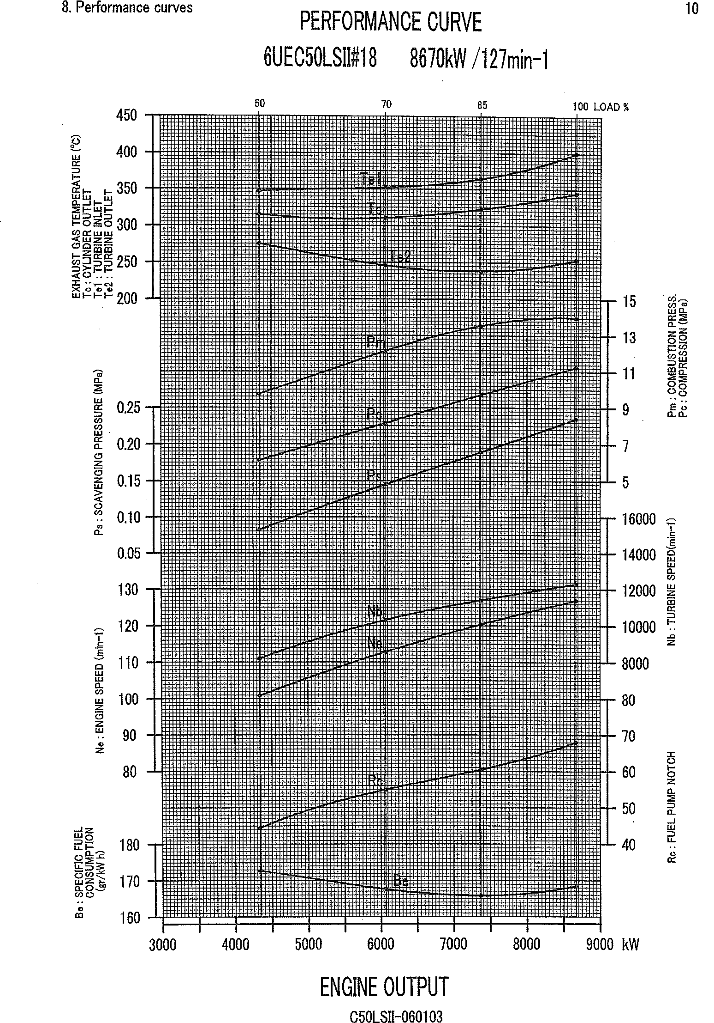
CSOLSII-060103

Table 10
NO. | Air reservoir | pressure | Note | | |  | No. | Air reservoir pressure MPa Before After starting starting | Note
 | MPa Before starting | After starting
1 | 2.45 | 2.28 | AH |  |  | 26
2 | 2.28 | 2.12 | AS |  |  | 27
3 | 2.12 | 1.98 | AH |  |  | 28
4 | 1.98 | 1.85 | AS |  |  | 29
5 | 1.85 |  | AH |  |  | 30
6 |  | 1,64 | AS
7 | 1.64 | 1.54 | AH |  |  | 32
8 | 1.54 | 1.47 | AS |  |  | 33
9 | 1.47 | 1.38 | AH |  |  | 34
10 | 1.38 t | 1.30 | AS |  |  | 35
11 | J.30 1.22 |  | AH |  |  | 36
J 2 | 1.22 1.J 5 |  | AS |  |  | 37
13 | J.15 1.09 |  | AH |  |  | 38
14 | J.09 t | 1.02 | AS |  |  | 39
15 | J.02 0.98 |  | AH |  |  | 40
)6 | 0.98 | 0.92 | AS |  |  | 4J
\ 7 | 0.92 | 0.88 | AH |  |  | 42
18 | 0.88 | 0.82 | AS |  |  | 43
J 9 | 0.82 | 0.78 | AH |  | t | 44
20 | 0.78 | 0.71 | AS |  |  | 45
21 | 0.71 | 0.67 | AH |  |  | 46
22 | 0.67 t |  | Not Start |  |  | 47
23 |  |  | 48
24 |  |  | 49
 |  |  |  | I |  | *°
Remarks : Capacit.y of equipment piping : about 0.4 m* C5OLSt1-060103
Capacity of air reservoir
Number of starting
3.0
21
 |  | 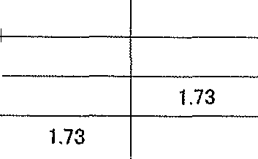
Item
Room
Fresh water inlet
Temperature Item
19.0”C T/C lubricating oil inlet 65.0°C Lubricating oil inlet
Temperature 36.0°C
36.0°C

